Top_Egyptian_Players_Seasons_Co
Top 10 Egyptians Players by Number of Seasons Played in Europe
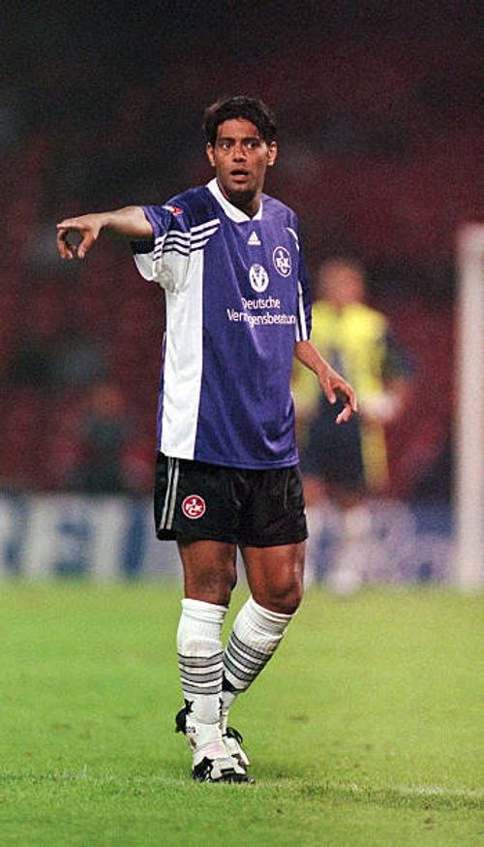
 |  | Hany Ramzy

Player | Seasons Count
Mohamed Emara | 4
Ahmed Hegazi | 5
Yasser Radwan | 6
Omar Marmoush | 6
Mohamed Zidan | 8
Mido | 8
Mohamed Elneny | 8
Ahmed Elmohamady | 8
Hany Ramzy | 10
Mohamed Salah | 12

